Admin Panel
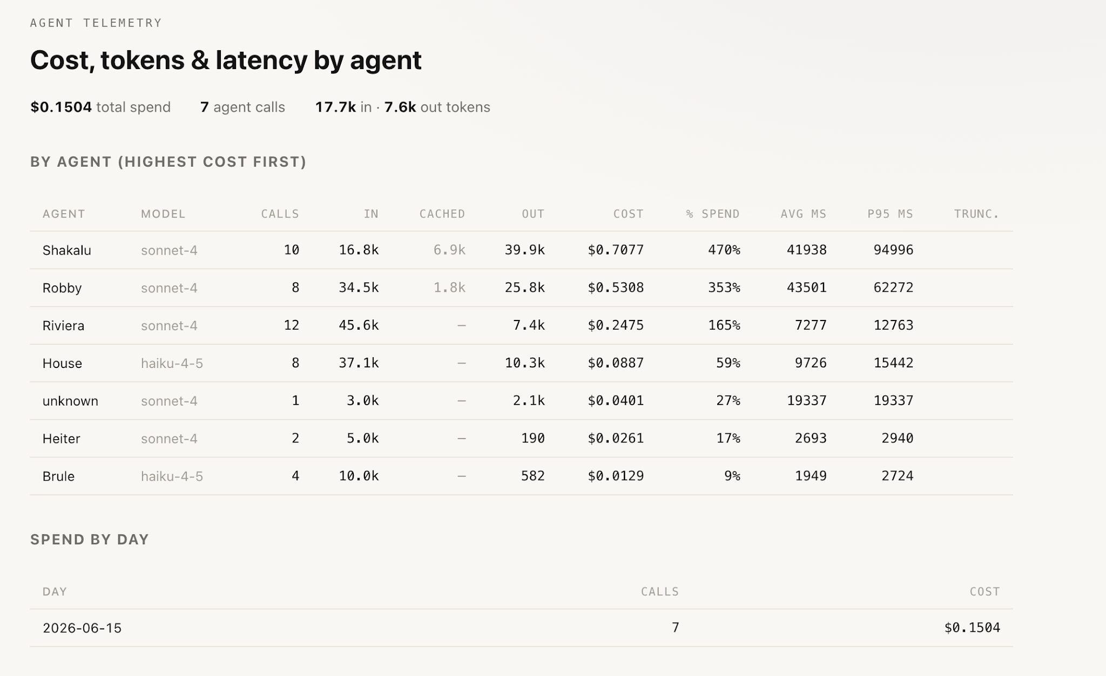
Real-time token tracking for optimizing token use baked into the app.

